Sheet1
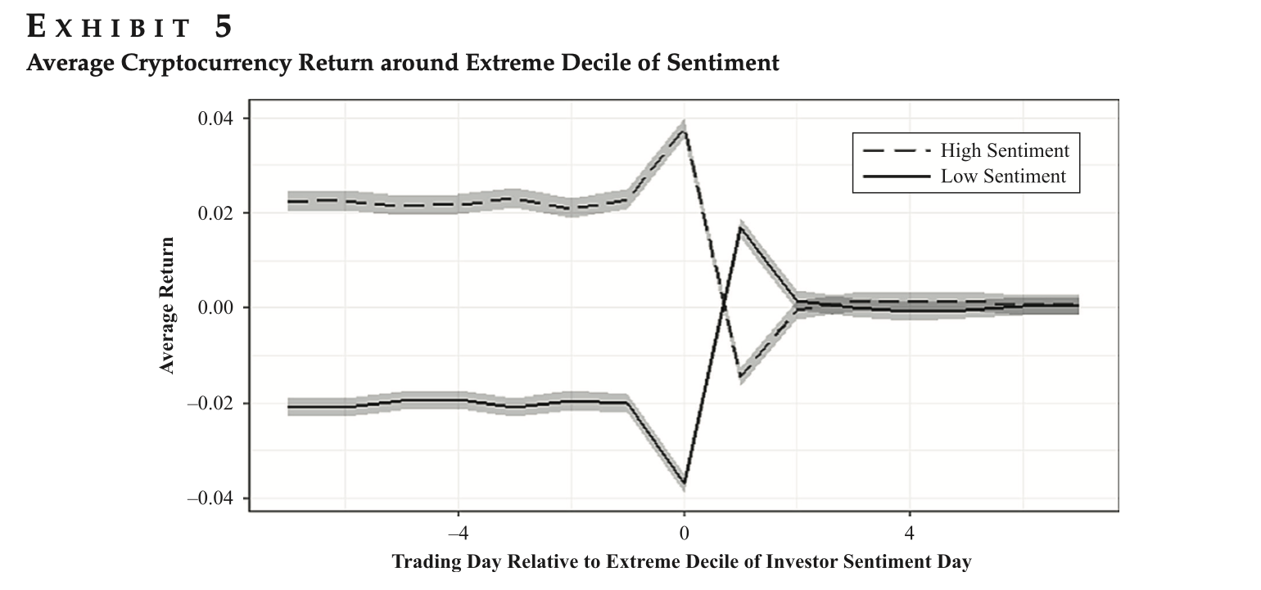
BITCOIN
Financial statement | 2020 | 2021 | 2022 | 2023 | 2024
Transaction Fees Paid By Users (millions USD) | 324.28 | 1016.54 | 141.94 | 796.13 | 879.06
Price (thousands USD) | 11.11 | 47.49 | 28.22 | 28.86 | 62.58
Circulating supply (millions) | 18.40 | 18.75 | 19.08 | 19.42 | 19.70
Revenue (Transaction fees going to btc holders) | 0.00 | 0.00 | 0.00 | 0.00 | 0.00 |  | 0.3190049135
Block payment to miners (billions USD) | 4.67 | 15.70 | 9.42 | 9.71 | 12.30
Fully Diluted Market Cap (trillions USD) | 0.23 | 1.00 | 0.59 | 0.61 | 1.31
Circulating Market Cap (trillions USD) | 0.20 | 0.89 | 0.54 | 0.56 | 1.23
Token trading volume (trillions) | 11.60 | 16.80 | 10.15 | 6.93 | 11.47
Tokenholders (millions) | 38.58 | 47.87 | 54.63 | 61.66 | 68.49
Price-to-fees ratio (fully diluted) | 1311.62 | 2202.04 | 4019.89 | 2068.05 | 2588.46
Price-to-fees ratio ratio (circulating) | 1144.39 | 1973 | 3650.41 | 1908.69 | 2432.67
Daily Active Users (millions) | 0.58 | 0.61 | 0.59 | 0.62 | 0.47
Monthly Active Users (millions) | 14.23 | 14.98 | 13.60 | 14.86 | 11.12
Core developers | 44.49 | 45.59 | 37.96 | 13.12 | 17.41
Code commits | 5036 | 5103 | 3810 | 1436 | 1495
Total Value Locked (TVL) (billions USD) |  |  |  |  | 4.30
Market Cap to TVL Ratio |  |  |  |  | 287.03

Growth rates | 2020 | 2021 | 2022 | 2023 | 2024
Transaction Fees Growth | - | 213.47% | -86.04% | 460.88% | 10.42%
Circulating Market Cap Growth | - | 334.88% | -39.65% | 4.34% | 119.90%
Fully Diluted Market Cap Growth | - | 327.37% | -40.59% | 2.30% | 116.81%
MAU Growth | - | 5.23% | -9.23% | 9.31% | -25.18%
Tokenholders Growth | - | 24.06% | 14.11% | 12.87% | 11.08%
Token Trading Volume Growth | - | 44.81% | -39.61% | -31.73% | 65.52%
Core Developers Growth | - | 2.47% | -16.74% | -65.45% | 32.78%
Code Commit Growth | - | 1.33% | -25.34% | -62.31% | 4.11%
Price-to-Fees Ratio Change | - | 72.41% | 85.02% | -47.71% | 27.45%
Block Payment to Miners Growth | - | 236.05% | -39.98% | 3.11% | 26.59%

DCF Model, Eight Year Holding Period with exit multiple |  |  | 2024 | 2025 | 2026 | 2027 | 2028 | 2029
CAGR (2020 - 2024) | 22.07%
Cashflow (USD millions) |  |  | 13174.89 | 17400.45 | 24721.33 | 37594.44 | 60930.41 | 110937.76
Growth Rate |  |  | 22.07% | 32.07% | 42.07% | 52.07% | 62.07% | 82.07%
Terminal Value (from damodaran) |  | 23.88 |  |  |  |  |  | 2649193.70
PV of cash flows (USD millions) |  |  | 13174.89 | 14441.17 | 17027.68 | 21490.62 | 28906.88 | 1043092.08

 |  |  |  |  |  |  |  |  | -> Reason: From chainanalysis site research, the adoption rate of crypto currency has increased by over 200% from 2023 to 2024 and the trend is likely to continue
Total PV (USD millions) | 1138133.32
Outstanding Supply (millions) | 19.70 |  |  |  |  |  |  |  | https://www.chainalysis.com/blog/2024-global-crypto-adoption-index/
Price per BTC (USD) | 57761.59 |  |  |  |  |  |  |  | https://www.grayscale.com/research/market-commentary/april-2024-crypto-tailwinds-macro-headwinds

Discount rate | 20.49%

Total Addressable Market Approach | (Level of penetration * Value of target Market) / Fully diluted supply
Addressable Market | Value (trillions USD) | Level of Penetration
 |  | 0.50% | 1.00% | 2.00% | 5.00% | 10.00% | 20.00% | 30.00%
US M2 | 21.32 | USD 8,543 | USD 10,152 | USD 20,304 | USD 50,760 | USD 101,519 | USD 203,038 | USD 304,557
Gold | 17.94 | USD 4,271 | USD 8,543 | USD 17,086 | USD 42,714 | USD 85,429 | USD 170,857 | USD 256,286
US Central Bank Reserves | 10.75 | USD 2,560 | USD 5,119 | USD 10,238 | USD 25,595 | USD 51,190 | USD 102,381 | USD 153,571
Global Remittances | 0.88 | USD 210 | USD 420 | USD 841 | USD 2,102 | USD 4,205 | USD 8,410 | USD 12,614
Fedwire | 1.09 | USD 259 | USD 518 | USD 1,035 | USD 2,589 | USD 5,177 | USD 10,354 | USD 15,531
Fully Diluted Supply | 21000000

 |  |  |  | We are currently at ~2% adoption rates
 |  |  |  | Board of Governors of the Federal Reserve System, “M2 (WM2NS),” FRED, Federal Reserve Bank of St. Louis. https://fred.stlouisfed.org/series/WM2NS
 |  |  |  | Total above-ground stocks (year-end 2024) = 212,582 tonnes. Spot price = $2,637.34 per ounce. World Gold Council, “Above-Ground Stocks”. www.gold.org/goldhub/data/how-much-gold
 |  |  |  | Board of Governors of the Federal Reserve System, “U.S. Reserve Assets (Table 3.12).” www.federalreserve.gov/data/intlsumm/current.htm
 |  |  |  | 6KNOMAD, "Remittances Slowed in 2023, Expected to Grow Faster in 2024" (English) (June 2024): 12. https://documents1.worldbank.org/curated/en/099714008132436612/pdf/IDU1a9cf73b51fcad1425a1a0dd1cc8f2f3331ce.pdf
 |  |  |  | 8Federal Reserve Banks, “Fedwire Funds Service—Annual Statistics” (updated January 2024). https://www.frbservices.org/resources/financial-services/wires/volume-value-stats/annual-stats.html

Stock-to-flow Approach | Current supply of coins / Increase in supply of coins
 | 2020 | 2021 | 2022 | 2023 | 2024
 | - | 53.38 | 57.38 | 58.03 | 68.99

 | The higher the stock to flow ratio indicates lower inflation rates and greater retention of value over time. This can be seen increasing steadily over the 4 years

Metcalfe's Law | Market Capitalization / Number of active users ^ 2
 | 2020 | 2021 | 2022 | 2023 | 2024
 | 0.62 | 2.37 | 1.55 | 1.46 | 5.56

 | ratio > 1 means the market value bitcoin more than its network value, vice versa
 | Therefore can be seen as more speculative

Market Value to Realized Value Ratio | Market Value / Realized Value
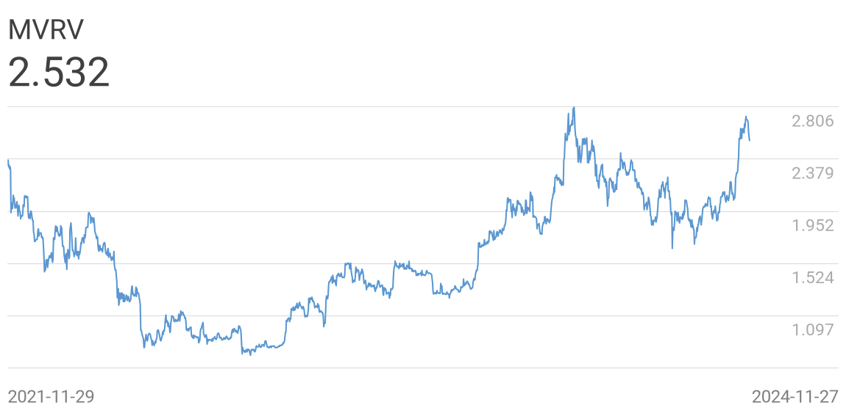

 | With a MVRV ratio greater than 1, we can conclude that the average cost for all btc is lower than the market capitalization and investors on average are likely to be profitable as market holds large unrealized profits, estimating about 153% profits in this case.

 | The MVRV Ratio can generally be considered withing the following framework:
 | High values and up-trends: The market value of the coin supply is increasing relative to the realized value (cost basis). Higher values indicate a larger degree of unrealized profit is in the system, and increases the probability that investors will distribute coins to lock in gains.
 | MVRV Values > 3.5: Has generally served as a strong signal for late stage bull cycles, and heightened probability of heavy distribution.
 | Low values and down-trends: The market value of the coin supply is decreasing relative to the realized value (cost basis). Lower values indicate a smaller degree of unrealized profit is in the system which may signal both undervaluation, or poor demand dynamics.
 | MVRV Vales < 1.0: Indicates that a large cross-section of the supply is near break even, or held at a loss. These low values have typically provided strong signal of market capitulation and late stage bear accumulations.

Technical Analysis

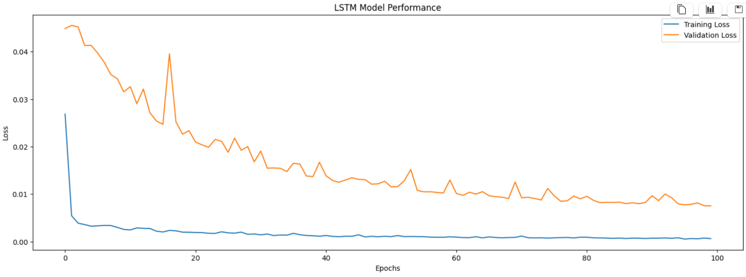

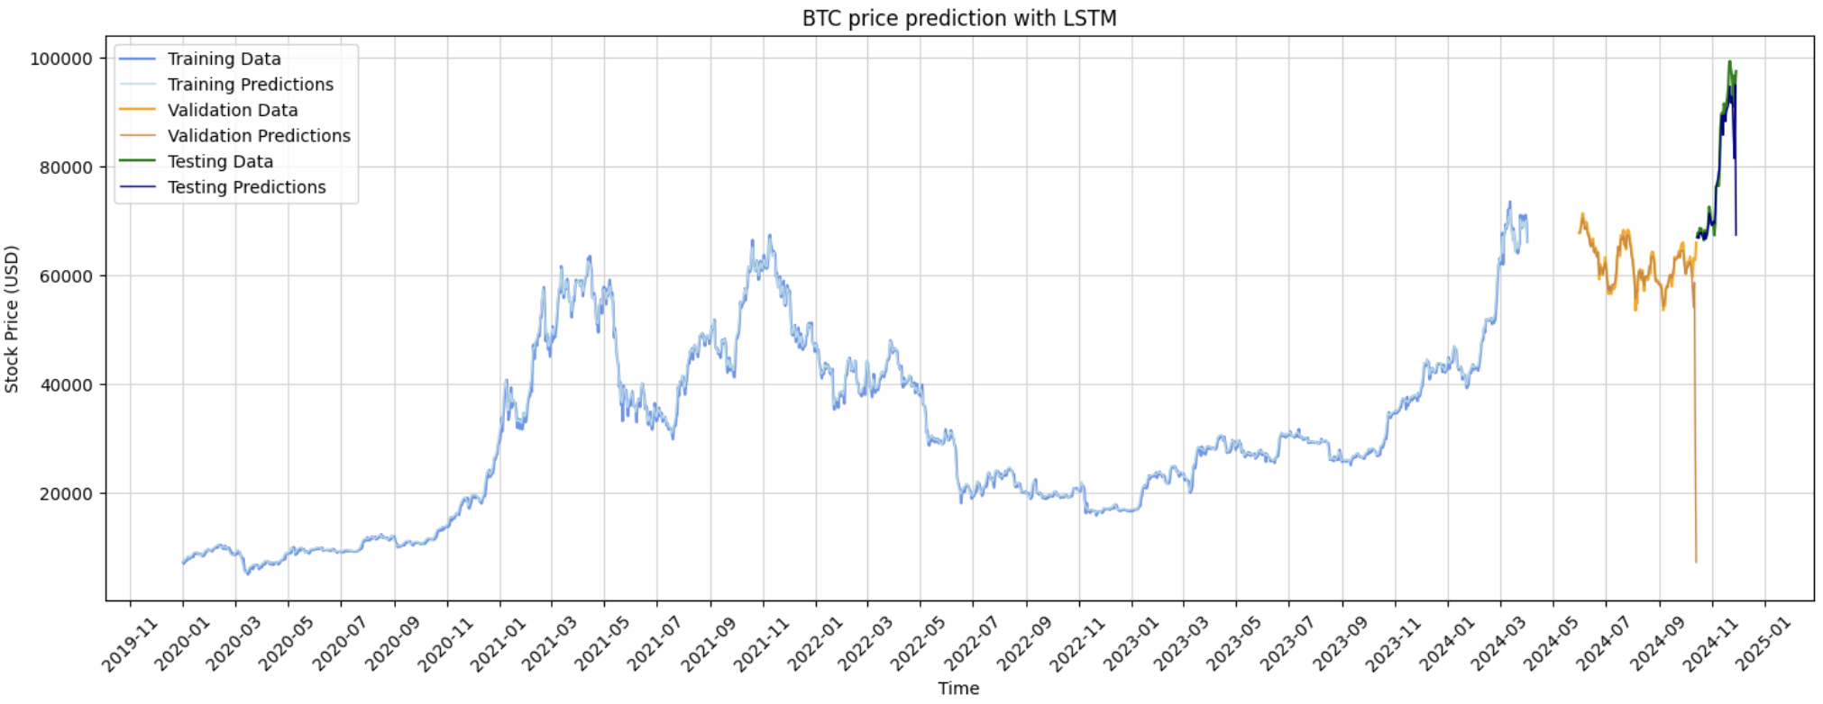

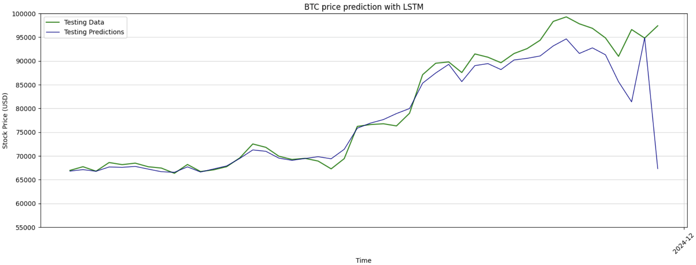

 |  |  |  |  |  | source code: https://github.com/jiarong15/lstm-stock-price-prediction
Fibonacci Retracements
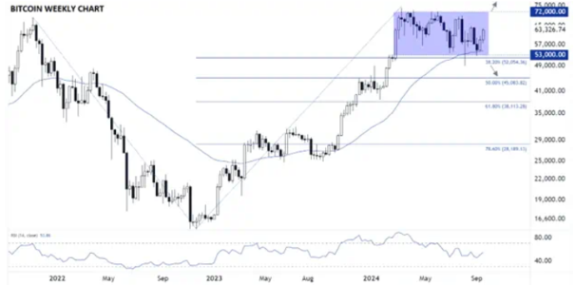

 | Despite the bullish fundamental and policy catalysts cited above,
 | Bitcoin has failed to gain any appreciable ground for more than half a year now,
 | and if a market can’t rally on “good” news except throughout the US elections and after donald trump won the election

A study done by David Kuo and Li Guo back in 2018 about crypto sentiments and its subsequent price movements
showcase how rational investors correct the mispricing brought about by positive and negative sentiments.
They ran a fama macbeth regression on the returns based on the cryptocurrency sentiments and found it to be statistically significant

